Sheet1

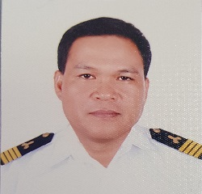 PICTURE HERE |  | Registration Form

DATE: | 16TH JUNE 2021 |  |  |  |  |  | MEMBER CODE:
MEMBER PERSONAL DETAILS
FAMILY NAME: |  | SOLAS |  |  |  | BIRTHDATE(mm/dd/yy): |  |  | 1972-11-06
FIRST NAME: |  | JOSE DARRIN |  |  |  | AGE: | 48
MIDDLE NAME: |  | LASANAS |  |  |  | BIRTHPLACE: |  | Poblacion,Leganes Iloilo
SUFFIX:
NICK-NAME: |  |  |  |  |  | GENDER: | MALE
POSITION: |  | 1ST ASSISTANT ENGR. |  |  |  | STATUS: | MARRIED
MANNING COMPANY: |  |  | FOSCON SHIPMANAGEMENT INC
CONTACT PERSON: |  | MR. ROMAR M. CRUZ |  |  |  | CONTACT NUMBER: |  | 09285004438
MEMBER CONTACT DETAILS
PERMANENT ADDRESS: |  |  | POBLACION,LEGANES ILOILO

EMAIL ADDRESS: |  | jdarrinsola@gmail.com |  |  | FACEBOOK/MESSENGER: |  |  | Jose Darrin Solas
CONTACT NUMBER: |  | 09291663214

ADDRESS IN MANILA (IF RESIDING IN PROVINCE)

MEMBER EMERGENCY CONTACT DETAILS
CONTACT NAME AND ADDRESS IN CASE OF ACCIDENT:
FULL NAME: |  | LAARNI M. SOLAS |  |  |  | RELATIONSHIP TO THE MEMBER: |  |  | WIFE
ADDRESS: |  | POBLACION,LEGANES ILOILO
CONTACT NUMBER: |  |  | 9999947101
AGE: | 49 |  |  | BIRTHDATE: mm/dd/yyy |  | 1971-07-20 |  | GENDER: | FEMALE

MEMBER BENEFICIARIES
NAME |  |  |  | RELATION |  | BIRTHDATE mm/dd/yyyy |  | AGE
GIANNO MIGUEL M. SOLAS |  |  |  | SON |  | AUG.20,2002 |  | 19
JOSE RAFAEL M. SOLAS |  |  |  | SON |  | JAN.10,2005 |  | 16
LAARNI M. SOLAS |  |  |  | WIFE |  | JULY 20,1971 |  | 49

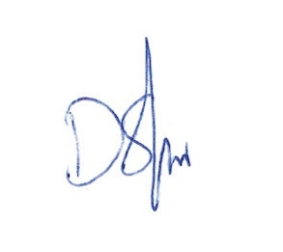
REFERRED BY: |  | JEROME BARNUEVO

I HEREBY CONFIRMED THAT THE ABOVE DETAILS IS TRUE AND CORRECT

FORM-001-2019(Rev.0) |  |  |  |  |  | SIGNATURE
HMI

